Sheet3
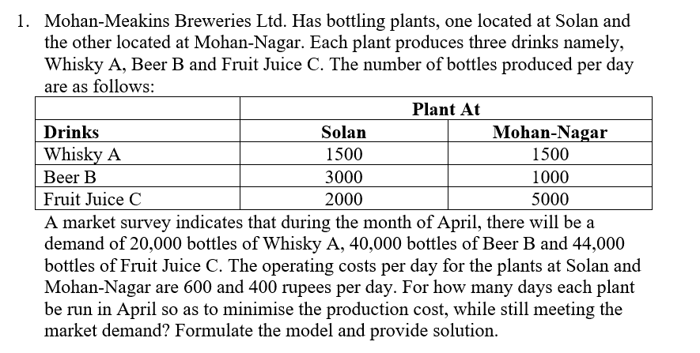

 |  | Solan | Mohan Nagar |  | Total Cost
Days Operative |  | 12 | 4 |  | 8800
Per Day Cost |  | 600 | 400
 |  |  |  | LHS |  | RHS
 | x1<=30 | 1 | 0 | 12 | <= | 30
 | x2<=30 | 0 | 1 | 4 | <= | 30

 | x1>=0 | 1 | 0 | 12 | >= | 0
 | x2>=0 | 0 | 1 | 4 | >= | 0
 | Whisky | 1500 | 1500 | 24000 | >= | 20000
 | Beer | 3000 | 1000 | 40000 | >= | 40000
 | Juice | 2000 | 5000 | 44000 | >= | 44000

Sheet4
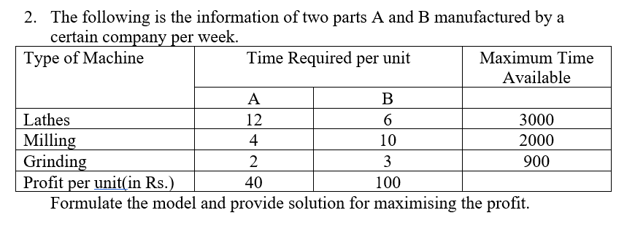

 | A | B |  | Profit
 | 0 | 200 |  | 20000
per unit profit | 40 | 100
 |  |  | LHS |  | RHS
Lathes | 12 | 6 | 1200 | <= | 3000
Milling | 4 | 10 | 2000 | <= | 2000
Grinding | 2 | 3 | 600 | <= | 900

